C2.1
Back to contents
 | Chart 2.1: Public and private spending on pension benefits in OECD countries, 2019

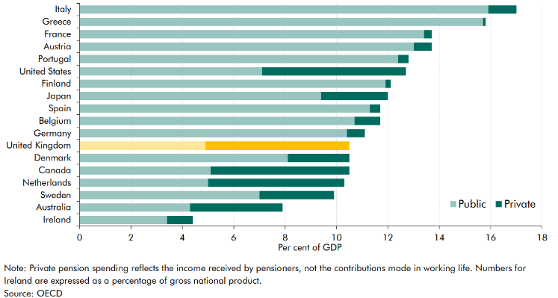

 |  | Private | Public
 | Ireland | 1.0 | 3.4
 | Australia | 3.6 | 4.3
 | Sweden | 2.9 | 7.0
 | Netherlands | 5.3 | 5.0
 | Canada | 5.4 | 5.1
 | Denmark | 2.4 | 8.1
 | United Kingdom | 5.6 | 4.9
 | Germany | 0.7 | 10.4
 | Belgium | 1.0 | 10.7
 | Spain | 0.4 | 11.3
 | Japan | 2.6 | 9.4
 | Finland | 0.2 | 11.9
 | United States | 5.6 | 7.1
 | Portugal | 0.4 | 12.4
 | Austria | 0.7 | 13.0
 | France | 0.3 | 13.4
 | Greece | 0.1 | 15.7
 | Italy | 1.1 | 15.9

C2.2
Back to contents
 | Chart 2.2: Pensioner spending as a share of GDP
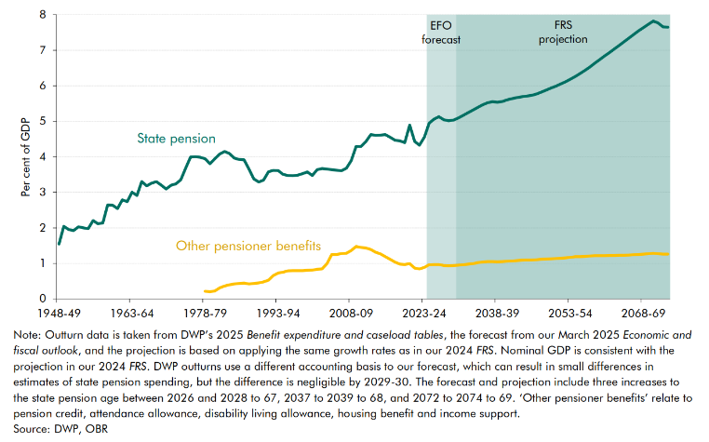

 |  | 1948-49 | 1949-50 | 1950-51 | 1951-52 | 1952-53 | 1953-54 | 1954-55 | 1955-56 | 1956-57 | 1957-58 | 1958-59 | 1959-60 | 1960-61 | 1961-62 | 1962-63 | 1963-64 | 1964-65 | 1965-66 | 1966-67 | 1967-68 | 1968-69 | 1969-70 | 1970-71 | 1971-72 | 1972-73 | 1973-74 | 1974-75 | 1975-76 | 1976-77 | 1977-78 | 1978-79 | 1979-80 | 1980-81 | 1981-82 | 1982-83 | 1983-84 | 1984-85 | 1985-86 | 1986-87 | 1987-88 | 1988-89 | 1989-90 | 1990-91 | 1991-92 | 1992-93 | 1993-94 | 1994-95 | 1995-96 | 1996-97 | 1997-98 | 1998-99 | 1999-00 | 2000-01 | 2001-02 | 2002-03 | 2003-04 | 2004-05 | 2005-06 | 2006-07 | 2007-08 | 2008-09 | 2009-10 | 2010-11 | 2011-12 | 2012-13 | 2013-14 | 2014-15 | 2015-16 | 2016-17 | 2017-18 | 2018-19 | 2019-20 | 2020-21 | 2021-22 | 2022-23 | 2023-24 | 2024-25 | 2025-26 | 2026-27 | 2027-28 | 2028-29 | 2029-30 | 2030-31 | 2031-32 | 2032-33 | 2033-34 | 2034-35 | 2035-36 | 2036-37 | 2037-38 | 2038-39 | 2039-40 | 2040-41 | 2041-42 | 2042-43 | 2043-44 | 2044-45 | 2045-46 | 2046-47 | 2047-48 | 2048-49 | 2049-50 | 2050-51 | 2051-52 | 2052-53 | 2053-54 | 2054-55 | 2055-56 | 2056-57 | 2057-58 | 2058-59 | 2059-60 | 2060-61 | 2061-62 | 2062-63 | 2063-64 | 2064-65 | 2065-66 | 2066-67 | 2067-68 | 2068-69 | 2069-70 | 2070-71 | 2071-72 | 2072-73 | 2073-74
 | State pension (% of GDP) | 1.5 | 2.0 | 2.0 | 1.9 | 2.0 | 2.0 | 2.0 | 2.2 | 2.1 | 2.1 | 2.6 | 2.6 | 2.5 | 2.8 | 2.7 | 3.0 | 2.9 | 3.3 | 3.2 | 3.3 | 3.3 | 3.2 | 3.1 | 3.2 | 3.2 | 3.4 | 3.7 | 4.0 | 4.0 | 4.0 | 3.9 | 3.8 | 3.9 | 4.1 | 4.1 | 4.1 | 4.0 | 3.9 | 3.9 | 3.7 | 3.4 | 3.3 | 3.3 | 3.6 | 3.6 | 3.6 | 3.5 | 3.5 | 3.5 | 3.5 | 3.5 | 3.6 | 3.5 | 3.6 | 3.7 | 3.7 | 3.6 | 3.6 | 3.6 | 3.7 | 3.9 | 4.3 | 4.3 | 4.4 | 4.6 | 4.6 | 4.6 | 4.6 | 4.5 | 4.5 | 4.5 | 4.4 | 4.9 | 4.4 | 4.3 | 4.6 | 4.9 | 5.1 | 5.1 | 5.0 | 5.0 | 5.0 | 5.1 | 5.2 | 5.2 | 5.3 | 5.4 | 5.5 | 5.5 | 5.6 | 5.5 | 5.6 | 5.6 | 5.6 | 5.7 | 5.7 | 5.7 | 5.7 | 5.8 | 5.8 | 5.9 | 5.9 | 6.0 | 6.0 | 6.1 | 6.2 | 6.3 | 6.3 | 6.4 | 6.5 | 6.6 | 6.7 | 6.8 | 6.9 | 7.0 | 7.1 | 7.2 | 7.3 | 7.4 | 7.5 | 7.6 | 7.7 | 7.8 | 7.8 | 7.7 | 7.7
 | Other pensioner benefits |  |  |  |  |  |  |  |  |  |  |  |  |  |  |  |  |  |  |  |  |  |  |  |  |  |  |  |  |  |  | 0.2 | 0.2 | 0.2 | 0.3 | 0.4 | 0.4 | 0.4 | 0.4 | 0.4 | 0.4 | 0.4 | 0.4 | 0.5 | 0.5 | 0.7 | 0.7 | 0.8 | 0.8 | 0.8 | 0.8 | 0.8 | 0.8 | 0.8 | 0.8 | 0.8 | 1.0 | 1.3 | 1.3 | 1.3 | 1.3 | 1.4 | 1.5 | 1.5 | 1.4 | 1.4 | 1.3 | 1.3 | 1.2 | 1.1 | 1.0 | 1.0 | 1.0 | 1.0 | 0.9 | 0.8 | 0.9 | 1.0 | 1.0 | 1.0 | 0.9 | 0.9 | 0.9 | 0.9 | 1.0 | 1.0 | 1.0 | 1.0 | 1.0 | 1.1 | 1.0 | 1.0 | 1.0 | 1.1 | 1.1 | 1.1 | 1.1 | 1.1 | 1.1 | 1.1 | 1.1 | 1.1 | 1.1 | 1.1 | 1.1 | 1.2 | 1.2 | 1.2 | 1.2 | 1.2 | 1.2 | 1.2 | 1.2 | 1.2 | 1.2 | 1.2 | 1.2 | 1.2 | 1.2 | 1.2 | 1.3 | 1.3 | 1.3 | 1.3 | 1.3 | 1.3 | 1.3

C2.3
Back to contents
 | Chart 2.3: Demographic projection and scenarios

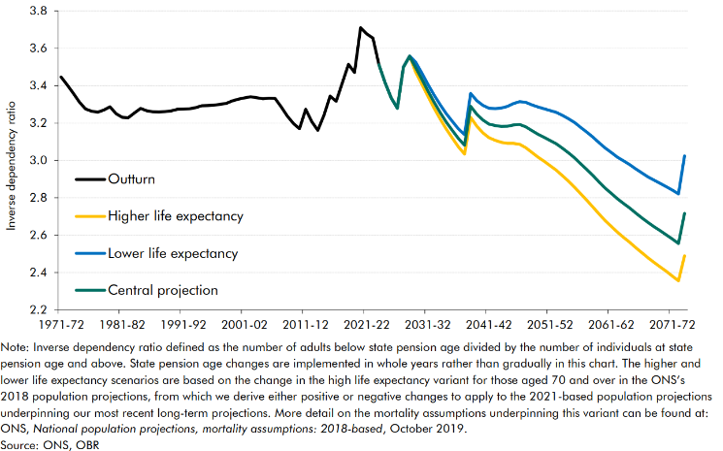

 |  | 1971-72 | 1972-73 | 1973-74 | 1974-75 | 1975-76 | 1976-77 | 1977-78 | 1978-79 | 1979-80 | 1980-81 | 1981-82 | 1982-83 | 1983-84 | 1984-85 | 1985-86 | 1986-87 | 1987-88 | 1988-89 | 1989-90 | 1990-91 | 1991-92 | 1992-93 | 1993-94 | 1994-95 | 1995-96 | 1996-97 | 1997-98 | 1998-99 | 1999-00 | 2000-01 | 2001-02 | 2002-03 | 2003-04 | 2004-05 | 2005-06 | 2006-07 | 2007-08 | 2008-09 | 2009-10 | 2010-11 | 2011-12 | 2012-13 | 2013-14 | 2014-15 | 2015-16 | 2016-17 | 2017-18 | 2018-19 | 2019-20 | 2020-21 | 2021-22 | 2022-23 | 2023-24 | 2024-25 | 2025-26 | 2026-27 | 2027-28 | 2028-29 | 2029-30 | 2030-31 | 2031-32 | 2032-33 | 2033-34 | 2034-35 | 2035-36 | 2036-37 | 2037-38 | 2038-39 | 2039-40 | 2040-41 | 2041-42 | 2042-43 | 2043-44 | 2044-45 | 2045-46 | 2046-47 | 2047-48 | 2048-49 | 2049-50 | 2050-51 | 2051-52 | 2052-53 | 2053-54 | 2054-55 | 2055-56 | 2056-57 | 2057-58 | 2058-59 | 2059-60 | 2060-61 | 2061-62 | 2062-63 | 2063-64 | 2064-65 | 2065-66 | 2066-67 | 2067-68 | 2068-69 | 2069-70 | 2070-71 | 2071-72 | 2072-73 | 2073-74
 | Outturn | 3.4 | 3.4 | 3.4 | 3.3 | 3.3 | 3.3 | 3.3 | 3.3 | 3.3 | 3.2 | 3.2 | 3.2 | 3.3 | 3.3 | 3.3 | 3.3 | 3.3 | 3.3 | 3.3 | 3.3 | 3.3 | 3.3 | 3.3 | 3.3 | 3.3 | 3.3 | 3.3 | 3.3 | 3.3 | 3.3 | 3.3 | 3.3 | 3.3 | 3.3 | 3.3 | 3.3 | 3.3 | 3.2 | 3.2 | 3.2 | 3.3 | 3.2 | 3.2 | 3.2 | 3.3 | 3.3 | 3.4 | 3.5 | 3.5 | 3.7 | 3.7 | 3.7 | 3.5
 | Central projection |  |  |  |  |  |  |  |  |  |  |  |  |  |  |  |  |  |  |  |  |  |  |  |  |  |  |  |  |  |  |  |  |  |  |  |  |  |  |  |  |  |  |  |  |  |  |  |  |  |  |  |  | 3.5 | 3.4 | 3.3 | 3.3 | 3.5 | 3.6 | 3.5 | 3.4 | 3.4 | 3.3 | 3.3 | 3.2 | 3.2 | 3.1 | 3.1 | 3.3 | 3.2 | 3.2 | 3.2 | 3.2 | 3.2 | 3.2 | 3.2 | 3.2 | 3.2 | 3.2 | 3.1 | 3.1 | 3.1 | 3.1 | 3.1 | 3.0 | 3.0 | 3.0 | 3.0 | 2.9 | 2.9 | 2.9 | 2.8 | 2.8 | 2.8 | 2.7 | 2.7 | 2.7 | 2.7 | 2.6 | 2.6 | 2.6 | 2.6 | 2.6 | 2.7
 | Higher life expectancy |  |  |  |  |  |  |  |  |  |  |  |  |  |  |  |  |  |  |  |  |  |  |  |  |  |  |  |  |  |  |  |  |  |  |  |  |  |  |  |  |  |  |  |  |  |  |  |  |  |  |  |  | 3.5 | 3.4 | 3.3 | 3.3 | 3.5 | 3.6 | 3.5 | 3.4 | 3.3 | 3.3 | 3.2 | 3.2 | 3.1 | 3.1 | 3.0 | 3.2 | 3.2 | 3.1 | 3.1 | 3.1 | 3.1 | 3.1 | 3.1 | 3.1 | 3.1 | 3.0 | 3.0 | 3.0 | 3.0 | 2.9 | 2.9 | 2.9 | 2.9 | 2.8 | 2.8 | 2.8 | 2.7 | 2.7 | 2.6 | 2.6 | 2.6 | 2.6 | 2.5 | 2.5 | 2.5 | 2.5 | 2.4 | 2.4 | 2.4 | 2.4 | 2.5
 | Lower life expectancy |  |  |  |  |  |  |  |  |  |  |  |  |  |  |  |  |  |  |  |  |  |  |  |  |  |  |  |  |  |  |  |  |  |  |  |  |  |  |  |  |  |  |  |  |  |  |  |  |  |  |  |  | 3.5 | 3.4 | 3.3 | 3.3 | 3.5 | 3.6 | 3.5 | 3.5 | 3.4 | 3.3 | 3.3 | 3.3 | 3.2 | 3.2 | 3.1 | 3.4 | 3.3 | 3.3 | 3.3 | 3.3 | 3.3 | 3.3 | 3.3 | 3.3 | 3.3 | 3.3 | 3.3 | 3.3 | 3.3 | 3.3 | 3.2 | 3.2 | 3.2 | 3.2 | 3.2 | 3.1 | 3.1 | 3.1 | 3.0 | 3.0 | 3.0 | 3.0 | 3.0 | 2.9 | 2.9 | 2.9 | 2.9 | 2.9 | 2.8 | 2.8 | 3.0

C2.4
Back to contents
 | Chart 2.4: State pension uprating and the triple lock

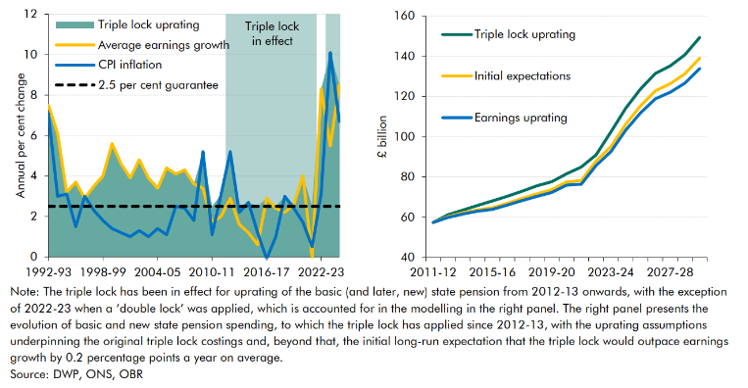

 |  | 1992-93 | 1993-94 | 1994-95 | 1995-96 | 1996-97 | 1997-98 | 1998-99 | 1999-00 | 2000-01 | 2001-02 | 2002-03 | 2003-04 | 2004-05 | 2005-06 | 2006-07 | 2007-08 | 2008-09 | 2009-10 | 2010-11 | 2011-12 | 2012-13 | 2013-14 | 2014-15 | 2015-16 | 2016-17 | 2017-18 | 2018-19 | 2019-20 | 2020-21 | 2021-22 | 2022-23 | 2023-24 | 2024-25
 | Triple lock uprating | 7.5 | 6.1 | 3.2 | 3.7 | 3 | 3.5 | 4 | 5.6 | 4.6 | 3.9 | 4.8 | 3.9 | 3.4 | 4.4 | 4.1 | 4.3 | 3.6 | 5.2 | 2.5 | 3.1 | 5.2 | 2.5 | 2.7 | 2.5 | 2.9 | 2.5 | 3 | 2.6 | 4 | 2.5 | 8.3 | 10.1 | 8.5
 | Average earnings growth | 7.5 | 6.1 | 3.2 | 3.7 | 2.9 | 3.5 | 4 | 5.6 | 4.6 | 3.9 | 4.8 | 3.9 | 3.4 | 4.4 | 4.1 | 4.3 | 3.6 | 3.4 | 1.7 | 2 | 2.9 | 1.6 | 1.2 | 0.6 | 2.9 | 2.4 | 2.2 | 2.6 | 4 | 0 | 8.3 | 5.5 | 8.5
 | CPI inflation | 7.1 | 3 | 3.1 | 1.5 | 3 | 2.3 | 1.8 | 1.4 | 1.2 | 1 | 1.3 | 1 | 1.4 | 1.1 | 2.5 | 2.4 | 1.8 | 5.2 | 1.1 | 3.1 | 5.2 | 2.2 | 2.7 | 1.2 | -0.1 | 1 | 3 | 2.4 | 1.7 | 0.5 | 3.1 | 10.1 | 6.7
 | 2.5 per cent guarantee | 2.5 | 2.5 | 2.5 | 2.5 | 2.5 | 2.5 | 2.5 | 2.5 | 2.5 | 2.5 | 2.5 | 2.5 | 2.5 | 2.5 | 2.5 | 2.5 | 2.5 | 2.5 | 2.5 | 2.5 | 2.5 | 2.5 | 2.5 | 2.5 | 2.5 | 2.5 | 2.5 | 2.5 | 2.5 | 2.5 | 2.5 | 2.5 | 2.5

 |  | 2011-12 | 2012-13 | 2013-14 | 2014-15 | 2015-16 | 2016-17 | 2017-18 | 2018-19 | 2019-20 | 2020-21 | 2021-22 | 2022-23 | 2023-24 | 2024-25 | 2025-26 | 2026-27 | 2027-28 | 2028-29 | 2029-30
 | Triple lock uprating | 57.4 | 61.2 | 63.5 | 65.9 | 68.1 | 70.3 | 72.8 | 75.6 | 77.6 | 81.6 | 85.0 | 90.9 | 102.4 | 114.1 | 123.6 | 131.4 | 135.1 | 140.6 | 149.3
 | Initial expectations | 57.4 | 60.2 | 62.2 | 63.6 | 64.6 | 66.9 | 69.3 | 71.5 | 73.6 | 77.5 | 78.2 | 87.8 | 95.1 | 106.2 | 115.2 | 122.7 | 126.3 | 131.2 | 139.0
 | Earnings uprating | 57.4 | 59.8 | 61.6 | 63.0 | 63.9 | 66.0 | 68.3 | 70.3 | 72.2 | 75.9 | 76.4 | 85.7 | 92.6 | 103.2 | 111.8 | 118.8 | 122.0 | 126.5 | 133.8

C2.5
Back to contents
 | Chart 2.5: State pension spending under different demographic scenarios

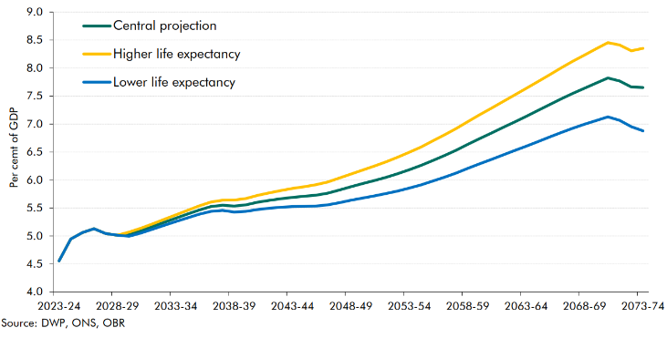

 |  | 2023-24 | 2024-25 | 2025-26 | 2026-27 | 2027-28 | 2028-29 | 2029-30 | 2030-31 | 2031-32 | 2032-33 | 2033-34 | 2034-35 | 2035-36 | 2036-37 | 2037-38 | 2038-39 | 2039-40 | 2040-41 | 2041-42 | 2042-43 | 2043-44 | 2044-45 | 2045-46 | 2046-47 | 2047-48 | 2048-49 | 2049-50 | 2050-51 | 2051-52 | 2052-53 | 2053-54 | 2054-55 | 2055-56 | 2056-57 | 2057-58 | 2058-59 | 2059-60 | 2060-61 | 2061-62 | 2062-63 | 2063-64 | 2064-65 | 2065-66 | 2066-67 | 2067-68 | 2068-69 | 2069-70 | 2070-71 | 2071-72 | 2072-73 | 2073-74
 | Central projection | 4.6 | 4.9 | 5.1 | 5.1 | 5.0 | 5.0 | 5.0 | 5.1 | 5.2 | 5.2 | 5.3 | 5.4 | 5.5 | 5.5 | 5.6 | 5.5 | 5.6 | 5.6 | 5.6 | 5.7 | 5.7 | 5.7 | 5.7 | 5.8 | 5.8 | 5.9 | 5.9 | 6.0 | 6.0 | 6.1 | 6.2 | 6.3 | 6.3 | 6.4 | 6.5 | 6.6 | 6.7 | 6.8 | 6.9 | 7.0 | 7.1 | 7.2 | 7.3 | 7.4 | 7.5 | 7.6 | 7.7 | 7.8 | 7.8 | 7.7 | 7.7
 | Higher life expectancy | 4.6 | 4.9 | 5.1 | 5.1 | 5.0 | 5.0 | 5.1 | 5.1 | 5.2 | 5.3 | 5.4 | 5.5 | 5.5 | 5.6 | 5.6 | 5.6 | 5.7 | 5.7 | 5.8 | 5.8 | 5.9 | 5.9 | 5.9 | 6.0 | 6.0 | 6.1 | 6.2 | 6.2 | 6.3 | 6.4 | 6.5 | 6.6 | 6.7 | 6.8 | 6.9 | 7.0 | 7.2 | 7.3 | 7.4 | 7.5 | 7.6 | 7.8 | 7.9 | 8.0 | 8.1 | 8.2 | 8.3 | 8.5 | 8.4 | 8.3 | 8.4
 | Lower life expectancy | 4.6 | 4.9 | 5.1 | 5.1 | 5.0 | 5.0 | 5.0 | 5.1 | 5.1 | 5.2 | 5.3 | 5.3 | 5.4 | 5.4 | 5.5 | 5.4 | 5.4 | 5.5 | 5.5 | 5.5 | 5.5 | 5.5 | 5.5 | 5.6 | 5.6 | 5.6 | 5.7 | 5.7 | 5.8 | 5.8 | 5.9 | 5.9 | 6.0 | 6.1 | 6.1 | 6.2 | 6.3 | 6.4 | 6.4 | 6.5 | 6.6 | 6.7 | 6.8 | 6.8 | 6.9 | 7.0 | 7.1 | 7.1 | 7.1 | 7.0 | 6.9

C2.6
Back to contents
 | Chart 2.6: State pension spending under different triple lock scenarios

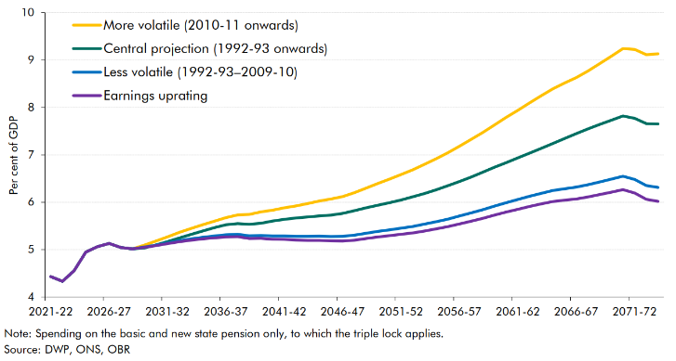

 |  | 2021-22 | 2022-23 | 2023-24 | 2024-25 | 2025-26 | 2026-27 | 2027-28 | 2028-29 | 2029-30 | 2030-31 | 2031-32 | 2032-33 | 2033-34 | 2034-35 | 2035-36 | 2036-37 | 2037-38 | 2038-39 | 2039-40 | 2040-41 | 2041-42 | 2042-43 | 2043-44 | 2044-45 | 2045-46 | 2046-47 | 2047-48 | 2048-49 | 2049-50 | 2050-51 | 2051-52 | 2052-53 | 2053-54 | 2054-55 | 2055-56 | 2056-57 | 2057-58 | 2058-59 | 2059-60 | 2060-61 | 2061-62 | 2062-63 | 2063-64 | 2064-65 | 2065-66 | 2066-67 | 2067-68 | 2068-69 | 2069-70 | 2070-71 | 2071-72 | 2072-73 | 2073-74
 | Central projection (1992-93 onwards) | 4.4 | 4.3 | 4.6 | 4.9 | 5.1 | 5.1 | 5.0 | 5.0 | 5.0 | 5.1 | 5.2 | 5.2 | 5.3 | 5.4 | 5.5 | 5.5 | 5.6 | 5.5 | 5.6 | 5.6 | 5.6 | 5.7 | 5.7 | 5.7 | 5.7 | 5.8 | 5.8 | 5.9 | 5.9 | 6.0 | 6.0 | 6.1 | 6.2 | 6.3 | 6.3 | 6.4 | 6.5 | 6.6 | 6.7 | 6.8 | 6.9 | 7.0 | 7.1 | 7.2 | 7.3 | 7.4 | 7.5 | 7.6 | 7.7 | 7.8 | 7.8 | 7.7 | 7.7
 | More volatile (2010-11 onwards) | 4.4 | 4.3 | 4.6 | 4.9 | 5.1 | 5.1 | 5.0 | 5.0 | 5.1 | 5.2 | 5.3 | 5.4 | 5.4 | 5.5 | 5.6 | 5.7 | 5.7 | 5.7 | 5.8 | 5.8 | 5.9 | 5.9 | 6.0 | 6.0 | 6.1 | 6.1 | 6.2 | 6.3 | 6.4 | 6.5 | 6.6 | 6.7 | 6.8 | 6.9 | 7.0 | 7.2 | 7.3 | 7.5 | 7.6 | 7.8 | 7.9 | 8.1 | 8.2 | 8.4 | 8.5 | 8.6 | 8.8 | 8.9 | 9.1 | 9.2 | 9.2 | 9.1 | 9.1
 | Less volatile (1992-93–2009-10) | 4.4 | 4.3 | 4.6 | 4.9 | 5.1 | 5.1 | 5.0 | 5.0 | 5.1 | 5.1 | 5.1 | 5.2 | 5.2 | 5.3 | 5.3 | 5.3 | 5.3 | 5.3 | 5.3 | 5.3 | 5.3 | 5.3 | 5.3 | 5.3 | 5.3 | 5.3 | 5.3 | 5.3 | 5.4 | 5.4 | 5.5 | 5.5 | 5.5 | 5.6 | 5.6 | 5.7 | 5.8 | 5.8 | 5.9 | 6.0 | 6.1 | 6.1 | 6.2 | 6.2 | 6.3 | 6.3 | 6.4 | 6.4 | 6.5 | 6.5 | 6.5 | 6.4 | 6.3
 | Earnings uprating | 4.4 | 4.3 | 4.6 | 4.9 | 5.1 | 5.1 | 5.0 | 5.0 | 5.0 | 5.1 | 5.1 | 5.2 | 5.2 | 5.2 | 5.2 | 5.3 | 5.3 | 5.2 | 5.2 | 5.2 | 5.2 | 5.2 | 5.2 | 5.2 | 5.2 | 5.2 | 5.2 | 5.2 | 5.3 | 5.3 | 5.3 | 5.4 | 5.4 | 5.4 | 5.5 | 5.5 | 5.6 | 5.7 | 5.7 | 5.8 | 5.8 | 5.9 | 6.0 | 6.0 | 6.0 | 6.1 | 6.1 | 6.2 | 6.2 | 6.3 | 6.2 | 6.1 | 6.0

C2.7
Back to contents
 | Chart 2.7: Pension enrolment by employees and the self-employed

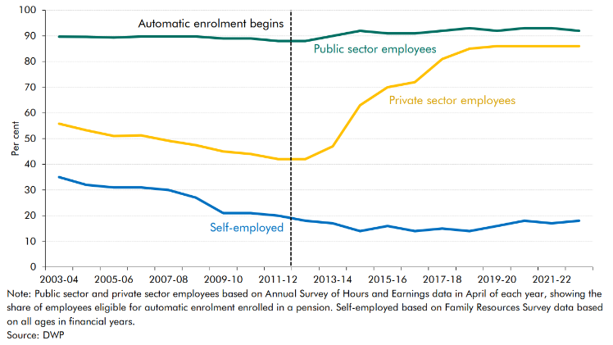

 |  | 2003-04 | 2004-05 | 2005-06 | 2006-07 | 2007-08 | 2008-09 | 2009-10 | 2010-11 | 2011-12 | 2012-13 | 2013-14 | 2014-15 | 2015-16 | 2016-17 | 2017-18 | 2018-19 | 2019-20 | 2020-21 | 2021-22 | 2022-23
 | Public sector employees | 89.7 | 89.6 | 89.3 | 89.8 | 89.7 | 89.7 | 89.0 | 89.0 | 88.0 | 88.0 | 90.0 | 92.0 | 91.0 | 91.0 | 92.0 | 93.0 | 92.0 | 93.0 | 93.0 | 92.0
 | Private sector employees | 55.8 | 53.3 | 51.0 | 51.2 | 49.2 | 47.4 | 45.0 | 44.0 | 42.0 | 42.0 | 47.0 | 63.0 | 70.0 | 72.0 | 81.0 | 85.0 | 86.0 | 86.0 | 86.0 | 86.0
 | Self-employed | 35.0 | 32.0 | 31.0 | 31.0 | 30.0 | 27.0 | 21.0 | 21.0 | 20.0 | 18.0 | 17.0 | 14.0 | 16.0 | 14.0 | 15.0 | 14.0 | 16.0 | 18.0 | 17.0 | 18.0

C2.8
Back to contents
 | Chart 2.8: Retirement income adequacy across groups
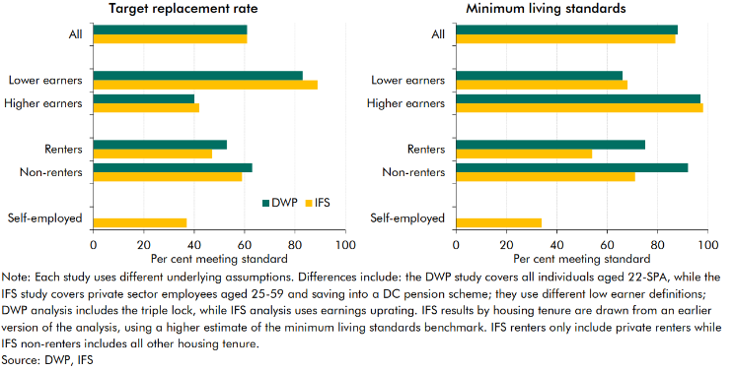

 |  | Replacement rate |  | Minimum living standards
 |  | DWP | IFS | DWP | IFS
 | All | 61 | 61 | 88 | 87

 | Lower earners | 83 | 89 | 66 | 68
 | Higher earners | 40 | 42 | 97 | 98

 | Renters | 53 | 47 | 75 | 54
 | Non-renters | 63 | 59 | 92 | 71

 | Self-employed |  | 37 |  | 34

C2.9
Back to contents
 | Chart 2.9: Gilt holdings by sector

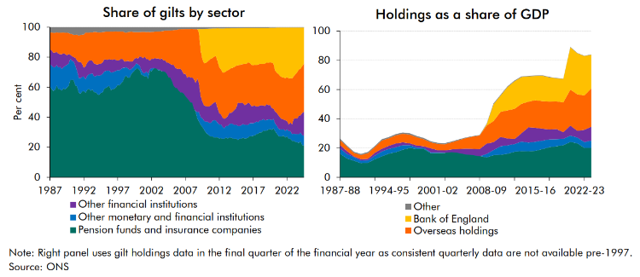

 |  | Share by sector |  |  |  |  |  |  | Share of NGDP
 |  | Pension funds and insurance companies | Other monetary and financial institutions | Overseas holdings | Bank of England | Other financial institutions | Other |  | Pension funds and insurance companies | Monetary financial institutions | Overseas holdings | Bank of England | Other financial institutions | Other | Total
 | 1987 Q1 | 60.9 | 14.4 | 11.2 | 0.0 | 10.0 | 3.5 | 1987-88 | 16.1 | 3.6 | 3.5 | 0.0 | 2.3 | 0.9 | 26.4
 | 1987 Q2 | 58.7 | 15.5 | 12.0 | 0.0 | 10.2 | 3.5 | 1988-89 | 12.9 | 3.1 | 3.0 | 0.0 | 2.0 | 0.8 | 21.7
 | 1987 Q3 | 57.5 | 15.8 | 13.3 | 0.0 | 9.6 | 3.8 | 1989-90 | 11.3 | 2.5 | 2.4 | 0.0 | 0.5 | 0.8 | 17.5
 | 1987 Q4 | 58.5 | 14.9 | 13.2 | 0.0 | 9.7 | 3.8 | 1990-91 | 9.7 | 1.7 | 2.8 | 0.0 | 1.1 | 0.8 | 16.0
 | 1988 Q1 | 61.0 | 13.6 | 13.1 | 0.0 | 8.8 | 3.4 | 1991-92 | 10.0 | 1.6 | 3.9 | 0.0 | 1.0 | 0.9 | 17.4
 | 1988 Q2 | 58.9 | 14.3 | 14.0 | 0.0 | 9.2 | 3.7 | 1992-93 | 12.4 | 2.4 | 4.0 | 0.0 | 1.9 | 0.7 | 21.5
 | 1988 Q3 | 58.7 | 14.9 | 14.2 | 0.0 | 8.4 | 3.7 | 1993-94 | 14.4 | 3.3 | 5.6 | 0.0 | 1.9 | 0.9 | 26.0
 | 1988 Q4 | 57.7 | 14.5 | 14.4 | 0.0 | 9.8 | 3.6 | 1994-95 | 16.2 | 3.2 | 5.1 | 0.0 | 2.2 | 0.9 | 27.5
 | 1989 Q1 | 59.3 | 14.1 | 14.0 | 0.0 | 9.1 | 3.5 | 1995-96 | 17.2 | 3.5 | 5.5 | 0.0 | 2.5 | 0.9 | 29.6
 | 1989 Q2 | 58.5 | 15.5 | 14.1 | 0.0 | 8.1 | 3.8 | 1996-97 | 18.9 | 3.0 | 5.9 | 0.0 | 1.9 | 0.9 | 30.7
 | 1989 Q3 | 59.6 | 15.3 | 15.0 | 0.0 | 6.4 | 3.7 | 1997-98 | 20.1 | 1.9 | 5.9 | 0.0 | 1.3 | 1.0 | 30.2
 | 1989 Q4 | 60.9 | 14.7 | 14.0 | 0.0 | 6.5 | 3.9 | 1998-99 | 19.4 | 1.0 | 5.6 | 0.0 | 1.4 | 0.9 | 28.3
 | 1990 Q1 | 64.9 | 14.1 | 13.9 | 0.0 | 2.7 | 4.4 | 1999-00 | 19.5 | 0.7 | 4.7 | 0.0 | 1.0 | 0.9 | 26.9
 | 1990 Q2 | 64.9 | 12.6 | 14.6 | 0.0 | 3.2 | 4.7 | 2000-01 | 16.5 | 0.6 | 4.1 | 0.0 | 2.7 | 0.8 | 24.6
 | 1990 Q3 | 64.8 | 12.4 | 14.8 | 0.0 | 2.8 | 5.2 | 2001-02 | 16.6 | 0.5 | 4.2 | 0.0 | 1.5 | 0.7 | 23.5
 | 1990 Q4 | 61.2 | 13.0 | 15.3 | 0.0 | 5.5 | 5.0 | 2002-03 | 16.6 | 0.2 | 4.2 | 0.0 | 1.7 | 0.7 | 23.3
 | 1991 Q1 | 60.5 | 10.3 | 17.3 | 0.0 | 6.8 | 5.0 | 2003-04 | 17.8 | -0.6 | 4.9 | 0.0 | 1.9 | 0.6 | 24.5
 | 1991 Q2 | 56.3 | 9.8 | 17.6 | 0.0 | 10.6 | 5.7 | 2004-05 | 16.9 | -0.3 | 6.0 | 0.0 | 2.8 | 0.5 | 25.9
 | 1991 Q3 | 55.7 | 10.4 | 18.0 | 0.0 | 10.8 | 5.2 | 2005-06 | 16.0 | -0.3 | 7.2 | 0.0 | 3.9 | 0.4 | 27.2
 | 1991 Q4 | 57.0 | 9.8 | 19.3 | 0.0 | 8.8 | 5.0 | 2006-07 | 16.3 | -1.1 | 8.4 | 0.0 | 4.2 | 0.3 | 28.2
 | 1992 Q1 | 57.6 | 9.4 | 22.1 | 0.0 | 5.9 | 5.0 | 2007-08 | 14.6 | -0.2 | 9.4 | 0.0 | 4.9 | 0.3 | 28.9
 | 1992 Q2 | 56.4 | 8.9 | 22.4 | 0.0 | 8.7 | 3.6 | 2008-09 | 13.6 | 2.4 | 12.3 | 0.9 | 7.0 | 0.4 | 36.6
 | 1992 Q3 | 58.3 | 9.3 | 19.9 | 0.0 | 8.7 | 3.7 | 2009-10 | 15.1 | 3.6 | 14.5 | 11.5 | 5.3 | 0.6 | 50.5
 | 1992 Q4 | 58.8 | 9.8 | 18.7 | 0.0 | 9.0 | 3.7 | 2010-11 | 15.4 | 5.8 | 17.2 | 11.1 | 6.4 | 0.5 | 56.4
 | 1993 Q1 | 57.6 | 11.3 | 18.8 | 0.0 | 8.9 | 3.4 | 2011-12 | 16.1 | 5.8 | 19.1 | 16.0 | 4.7 | 0.6 | 62.3
 | 1993 Q2 | 58.5 | 10.7 | 18.9 | 0.0 | 8.4 | 3.5 | 2012-13 | 17.5 | 5.2 | 20.6 | 18.9 | 3.5 | 0.5 | 66.2
 | 1993 Q3 | 56.8 | 10.5 | 21.0 | 0.0 | 8.6 | 3.2 | 2013-14 | 18.0 | 6.5 | 20.1 | 18.2 | 5.7 | 0.5 | 69.0
 | 1993 Q4 | 56.6 | 10.7 | 21.5 | 0.0 | 8.0 | 3.1 | 2014-15 | 17.8 | 5.9 | 17.7 | 17.2 | 10.5 | 0.4 | 69.3
 | 1994 Q1 | 55.4 | 12.5 | 21.5 | 0.0 | 7.2 | 3.4 | 2015-16 | 18.1 | 6.3 | 18.8 | 16.7 | 9.5 | 0.3 | 69.7
 | 1994 Q2 | 54.9 | 12.7 | 21.1 | 0.0 | 7.9 | 3.5 | 2016-17 | 19.3 | 5.8 | 18.8 | 17.4 | 8.1 | 0.3 | 69.8
 | 1994 Q3 | 56.1 | 11.9 | 20.9 | 0.0 | 7.7 | 3.5 | 2017-18 | 20.5 | 5.4 | 19.1 | 16.4 | 6.8 | 0.3 | 68.6
 | 1994 Q4 | 56.4 | 12.3 | 20.4 | 0.0 | 7.6 | 3.2 | 2018-19 | 21.2 | 4.8 | 18.9 | 15.8 | 7.0 | 0.3 | 67.9
 | 1995 Q1 | 58.9 | 11.5 | 18.4 | 0.0 | 8.0 | 3.1 | 2019-20 | 22.0 | 4.2 | 20.3 | 16.1 | 4.6 | 0.2 | 67.5
 | 1995 Q2 | 59.6 | 11.3 | 18.6 | 0.0 | 7.5 | 3.0 | 2020-21 | 24.2 | 4.3 | 24.6 | 29.0 | 6.9 | 0.3 | 89.2
 | 1995 Q3 | 60.2 | 10.8 | 18.6 | 0.0 | 7.3 | 3.1 | 2021-22 | 23.3 | 4.0 | 24.9 | 28.0 | 4.7 | 0.2 | 85.0
 | 1995 Q4 | 60.9 | 10.2 | 18.2 | 0.0 | 7.6 | 3.1 | 2022-23 | 20.2 | 4.0 | 23.5 | 27.0 | 8.3 | 0.2 | 83.1
 | 1996 Q1 | 58.1 | 11.7 | 18.8 | 0.0 | 8.5 | 2.9 | 2023-24 | 20.2 | 4.9 | 26.1 | 23.0 | 9.6 | 0.2 | 84.0
 | 1996 Q2 | 58.7 | 11.2 | 18.7 | 0.0 | 8.3 | 3.0
 | 1996 Q3 | 59.0 | 11.4 | 18.4 | 0.0 | 8.2 | 2.9
 | 1996 Q4 | 59.9 | 11.0 | 19.0 | 0.0 | 7.3 | 2.8
 | 1997 Q1 | 61.6 | 9.9 | 19.3 | 0.0 | 6.2 | 2.9
 | 1997 Q2 | 61.3 | 9.9 | 19.0 | 0.0 | 7.0 | 2.9
 | 1997 Q3 | 62.7 | 9.4 | 18.1 | 0.0 | 6.9 | 2.9
 | 1997 Q4 | 63.8 | 9.1 | 18.3 | 0.0 | 5.8 | 3.0
 | 1998 Q1 | 66.6 | 6.3 | 19.5 | 0.0 | 4.2 | 3.4
 | 1998 Q2 | 67.7 | 5.5 | 19.0 | 0.0 | 4.1 | 3.7
 | 1998 Q3 | 66.3 | 6.3 | 19.1 | 0.0 | 5.0 | 3.3
 | 1998 Q4 | 66.5 | 4.9 | 19.7 | 0.0 | 5.8 | 3.2
 | 1999 Q1 | 68.8 | 3.4 | 19.9 | 0.0 | 4.8 | 3.1
 | 1999 Q2 | 70.0 | 3.1 | 19.5 | 0.0 | 4.3 | 3.1
 | 1999 Q3 | 71.0 | 3.2 | 17.6 | 0.0 | 4.8 | 3.3
 | 1999 Q4 | 72.5 | 3.5 | 17.3 | 0.0 | 3.4 | 3.3
 | 2000 Q1 | 72.4 | 2.8 | 17.7 | 0.0 | 3.9 | 3.3
 | 2000 Q2 | 71.4 | 3.0 | 16.2 | 0.0 | 6.1 | 3.2
 | 2000 Q3 | 68.3 | 3.0 | 16.6 | 0.0 | 8.8 | 3.2
 | 2000 Q4 | 67.9 | 1.6 | 17.5 | 0.0 | 9.8 | 3.2
 | 2001 Q1 | 67.0 | 2.5 | 16.5 | 0.0 | 10.9 | 3.2
 | 2001 Q2 | 67.6 | 3.0 | 18.0 | 0.0 | 8.1 | 3.3
 | 2001 Q3 | 65.7 | 3.3 | 18.1 | 0.0 | 9.6 | 3.2
 | 2001 Q4 | 71.0 | 0.9 | 19.1 | 0.0 | 5.8 | 3.2
 | 2002 Q1 | 70.6 | 2.0 | 17.9 | 0.0 | 6.3 | 3.1
 | 2002 Q2 | 72.2 | 0.7 | 18.0 | 0.0 | 6.0 | 3.2
 | 2002 Q3 | 72.8 | -0.1 | 17.5 | 0.0 | 6.7 | 3.1
 | 2002 Q4 | 72.8 | -0.6 | 17.9 | 0.0 | 6.7 | 3.1
 | 2003 Q1 | 71.1 | 0.7 | 17.9 | 0.0 | 7.4 | 2.9
 | 2003 Q2 | 71.5 | 0.0 | 18.7 | 0.0 | 7.0 | 2.8
 | 2003 Q3 | 70.5 | 0.1 | 18.1 | 0.0 | 8.6 | 2.7
 | 2003 Q4 | 72.5 | -1.9 | 19.5 | 0.0 | 7.3 | 2.6
 | 2004 Q1 | 72.6 | -2.4 | 19.8 | 0.0 | 7.6 | 2.4
 | 2004 Q2 | 70.9 | -1.9 | 21.1 | 0.0 | 7.5 | 2.4
 | 2004 Q3 | 67.8 | -1.2 | 21.4 | 0.0 | 9.8 | 2.3
 | 2004 Q4 | 66.9 | -0.4 | 22.2 | 0.0 | 9.0 | 2.2
 | 2005 Q1 | 65.3 | -1.2 | 22.9 | 0.0 | 10.9 | 2.1
 | 2005 Q2 | 61.7 | -0.5 | 23.1 | 0.0 | 13.9 | 1.9
 | 2005 Q3 | 59.9 | -0.4 | 25.1 | 0.0 | 13.5 | 1.9
 | 2005 Q4 | 60.0 | -0.7 | 25.9 | 0.0 | 13.0 | 1.8
 | 2006 Q1 | 58.7 | -1.0 | 26.4 | 0.0 | 14.4 | 1.4
 | 2006 Q2 | 56.7 | -0.1 | 26.3 | 0.0 | 15.8 | 1.4
 | 2006 Q3 | 57.1 | -0.6 | 27.8 | 0.0 | 14.5 | 1.2
 | 2006 Q4 | 57.5 | -1.7 | 29.9 | 0.0 | 13.1 | 1.3
 | 2007 Q1 | 57.8 | -3.7 | 29.8 | 0.0 | 15.0 | 1.2
 | 2007 Q2 | 55.0 | -2.3 | 32.4 | 0.0 | 13.7 | 1.2
 | 2007 Q3 | 53.1 | -1.7 | 31.7 | 0.0 | 15.7 | 1.2
 | 2007 Q4 | 51.0 | -1.1 | 32.4 | 0.0 | 16.5 | 1.2
 | 2008 Q1 | 50.3 | -0.6 | 32.3 | 0.0 | 16.8 | 1.1
 | 2008 Q2 | 46.2 | -0.6 | 33.3 | 0.0 | 19.8 | 1.3
 | 2008 Q3 | 43.6 | 0.6 | 35.9 | 0.0 | 18.6 | 1.3
 | 2008 Q4 | 39.3 | 4.2 | 33.0 | 0.0 | 22.3 | 1.3
 | 2009 Q1 | 37.2 | 6.4 | 33.6 | 2.4 | 19.1 | 1.2
 | 2009 Q2 | 35.0 | 5.1 | 30.2 | 14.3 | 14.3 | 1.2
 | 2009 Q3 | 33.6 | 5.6 | 28.3 | 20.1 | 11.2 | 1.2
 | 2009 Q4 | 31.7 | 5.9 | 28.2 | 22.8 | 10.2 | 1.2
 | 2010 Q1 | 29.9 | 7.0 | 28.7 | 22.7 | 10.6 | 1.1
 | 2010 Q2 | 28.9 | 8.3 | 29.9 | 21.9 | 10.0 | 1.1
 | 2010 Q3 | 28.0 | 8.2 | 30.8 | 20.9 | 11.1 | 1.0
 | 2010 Q4 | 27.1 | 9.1 | 31.1 | 20.0 | 11.7 | 1.0
 | 2011 Q1 | 27.3 | 10.3 | 30.4 | 19.7 | 11.4 | 0.9
 | 2011 Q2 | 26.4 | 11.7 | 30.5 | 18.7 | 11.8 | 0.9
 | 2011 Q3 | 26.7 | 11.1 | 30.7 | 18.5 | 12.2 | 0.8
 | 2011 Q4 | 26.6 | 9.8 | 31.2 | 22.0 | 9.7 | 0.8
 | 2012 Q1 | 25.8 | 9.3 | 30.7 | 25.7 | 7.5 | 0.9
 | 2012 Q2 | 26.2 | 9.1 | 30.0 | 27.4 | 6.5 | 0.9
 | 2012 Q3 | 25.5 | 8.1 | 30.2 | 29.3 | 6.1 | 0.9
 | 2012 Q4 | 25.7 | 7.1 | 30.8 | 29.4 | 6.2 | 0.8
 | 2013 Q1 | 26.5 | 7.8 | 31.2 | 28.6 | 5.2 | 0.8
 | 2013 Q2 | 25.8 | 8.3 | 30.5 | 27.9 | 6.6 | 0.8
 | 2013 Q3 | 26.4 | 8.9 | 28.8 | 27.3 | 7.7 | 0.8
 | 2013 Q4 | 26.3 | 9.6 | 29.9 | 26.6 | 7.0 | 0.7
 | 2014 Q1 | 26.0 | 9.5 | 29.2 | 26.4 | 8.2 | 0.7
 | 2014 Q2 | 25.4 | 9.5 | 28.7 | 25.8 | 10.0 | 0.6
 | 2014 Q3 | 25.7 | 9.2 | 28.1 | 25.1 | 11.3 | 0.6
 | 2014 Q4 | 24.8 | 9.4 | 24.7 | 24.9 | 15.6 | 0.6
 | 2015 Q1 | 25.7 | 8.4 | 25.5 | 24.8 | 15.1 | 0.5
 | 2015 Q2 | 25.8 | 8.9 | 25.5 | 24.2 | 15.1 | 0.5
 | 2015 Q3 | 26.3 | 9.2 | 25.9 | 24.2 | 13.9 | 0.5
 | 2015 Q4 | 25.8 | 9.1 | 27.3 | 24.1 | 13.2 | 0.5
 | 2016 Q1 | 26.0 | 9.0 | 27.0 | 23.9 | 13.6 | 0.5
 | 2016 Q2 | 26.4 | 8.4 | 26.9 | 23.0 | 14.8 | 0.5
 | 2016 Q3 | 27.4 | 8.6 | 27.1 | 23.4 | 13.1 | 0.5
 | 2016 Q4 | 27.4 | 8.6 | 27.6 | 24.6 | 11.3 | 0.5
 | 2017 Q1 | 27.7 | 8.3 | 27.0 | 25.0 | 11.6 | 0.5
 | 2017 Q2 | 27.9 | 8.5 | 27.2 | 24.6 | 11.3 | 0.5
 | 2017 Q3 | 28.8 | 8.3 | 27.6 | 24.8 | 10.1 | 0.5
 | 2017 Q4 | 29.1 | 7.6 | 27.9 | 24.4 | 10.6 | 0.5
 | 2018 Q1 | 29.9 | 7.9 | 27.8 | 24.0 | 9.9 | 0.5
 | 2018 Q2 | 30.0 | 8.0 | 27.5 | 24.1 | 10.0 | 0.5
 | 2018 Q3 | 31.0 | 7.7 | 27.6 | 24.1 | 9.0 | 0.5
 | 2018 Q4 | 30.9 | 7.0 | 28.3 | 23.8 | 9.5 | 0.4
 | 2019 Q1 | 31.2 | 7.1 | 27.8 | 23.2 | 10.3 | 0.4
 | 2019 Q2 | 31.7 | 6.8 | 28.2 | 23.3 | 9.6 | 0.4
 | 2019 Q3 | 32.2 | 6.3 | 28.5 | 23.0 | 9.7 | 0.3
 | 2019 Q4 | 31.5 | 6.5 | 30.1 | 23.4 | 8.1 | 0.3
 | 2020 Q1 | 32.7 | 6.3 | 30.1 | 23.8 | 6.9 | 0.3
 | 2020 Q2 | 30.8 | 5.1 | 27.3 | 28.5 | 7.9 | 0.3
 | 2020 Q3 | 29.1 | 5.2 | 26.8 | 30.1 | 8.5 | 0.3
 | 2020 Q4 | 27.5 | 4.8 | 27.6 | 30.9 | 8.9 | 0.3
 | 2021 Q1 | 27.1 | 4.8 | 27.6 | 32.5 | 7.7 | 0.3
 | 2021 Q2 | 27.3 | 4.7 | 27.9 | 33.0 | 6.8 | 0.3
 | 2021 Q3 | 27.7 | 4.3 | 28.0 | 33.3 | 6.4 | 0.3
 | 2021 Q4 | 26.6 | 4.3 | 28.0 | 33.8 | 7.1 | 0.3
 | 2022 Q1 | 27.4 | 4.7 | 29.3 | 32.9 | 5.5 | 0.3
 | 2022 Q2 | 25.7 | 5.0 | 30.7 | 33.9 | 4.5 | 0.3
 | 2022 Q3 | 25.7 | 5.0 | 29.5 | 33.6 | 5.9 | 0.3
 | 2022 Q4 | 24.3 | 4.5 | 30.6 | 33.9 | 6.5 | 0.3
 | 2023 Q1 | 24.3 | 4.8 | 28.3 | 32.5 | 9.9 | 0.3
 | 2023 Q2 | 23.6 | 5.2 | 29.4 | 31.1 | 10.4 | 0.3
 | 2023 Q3 | 23.3 | 5.6 | 30.9 | 29.7 | 10.2 | 0.3
 | 2023 Q4 | 22.9 | 5.8 | 30.8 | 28.1 | 12.1 | 0.2
 | 2024 Q1 | 24.0 | 5.8 | 31.1 | 27.4 | 11.4 | 0.2
 | 2024 Q2 | 21.5 | 6.5 | 31.2 | 25.7 | 14.8 | 0.2
 | 2024 Q3 | 21.2 | 6.5 | 32.2 | 24.0 | 15.9 | 0.2

C2.A
Back to contents
 | Chart 2.A: Income distribution and life cycle asset profiles in the UK OLG model

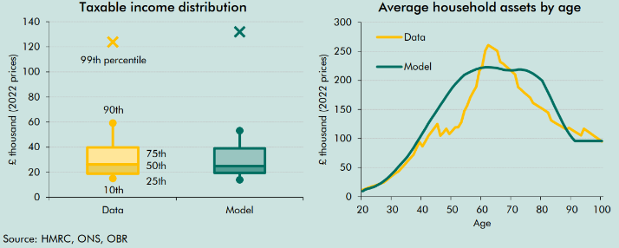

 |  | Data | Model |  | Data | Model
 | 10th | 15 | 14 | 20 | 12 | 9
 | 25th | 19 | 20 | 21 | 14 | 12
 | Median | 26 | 25 | 22 | 15 | 14
 | 75th | 40 | 39 | 23 | 17 | 15
 | 90th | 59 | 53 | 24 | 19 | 17
 | 99th | 183 | 185 | 25 | 21 | 20
 |  |  |  | 26 | 22 | 23
 |  |  |  | 27 | 24 | 26
 |  |  |  | 28 | 28 | 30
 |  |  |  | 29 | 32 | 35
 |  |  |  | 30 | 37 | 40
 |  |  |  | 31 | 41 | 46
 |  |  |  | 32 | 43 | 51
 |  |  |  | 33 | 49 | 57
 |  |  |  | 34 | 55 | 63
 |  |  |  | 35 | 61 | 69
 |  |  |  | 36 | 66 | 76
 |  |  |  | 37 | 72 | 84
 |  |  |  | 38 | 83 | 92
 |  |  |  | 39 | 94 | 100
 |  |  |  | 40 | 87 | 109
 |  |  |  | 41 | 96 | 118
 |  |  |  | 42 | 105 | 126
 |  |  |  | 43 | 111 | 134
 |  |  |  | 44 | 118 | 142
 |  |  |  | 45 | 125 | 149
 |  |  |  | 46 | 105 | 157
 |  |  |  | 47 | 110 | 165
 |  |  |  | 48 | 117 | 173
 |  |  |  | 49 | 108 | 180
 |  |  |  | 50 | 114 | 188
 |  |  |  | 51 | 119 | 194
 |  |  |  | 52 | 119 | 199
 |  |  |  | 53 | 128 | 205
 |  |  |  | 54 | 148 | 209
 |  |  |  | 55 | 157 | 212
 |  |  |  | 56 | 171 | 215
 |  |  |  | 57 | 181 | 217
 |  |  |  | 58 | 189 | 219
 |  |  |  | 59 | 216 | 221
 |  |  |  | 60 | 225 | 222
 |  |  |  | 61 | 251 | 223
 |  |  |  | 62 | 261 | 223
 |  |  |  | 63 | 258 | 222
 |  |  |  | 64 | 254 | 222
 |  |  |  | 65 | 251 | 221
 |  |  |  | 66 | 232 | 220
 |  |  |  | 67 | 229 | 218
 |  |  |  | 68 | 224 | 218
 |  |  |  | 69 | 219 | 217
 |  |  |  | 70 | 215 | 217
 |  |  |  | 71 | 210 | 218
 |  |  |  | 72 | 188 | 219
 |  |  |  | 73 | 184 | 219
 |  |  |  | 74 | 179 | 218
 |  |  |  | 75 | 175 | 217
 |  |  |  | 76 | 170 | 214
 |  |  |  | 77 | 161 | 212
 |  |  |  | 78 | 158 | 208
 |  |  |  | 79 | 155 | 204
 |  |  |  | 80 | 151 | 200
 |  |  |  | 81 | 148 | 190
 |  |  |  | 82 | 145 | 179
 |  |  |  | 83 | 131 | 168
 |  |  |  | 84 | 128 | 158
 |  |  |  | 85 | 125 | 147
 |  |  |  | 86 | 122 | 136
 |  |  |  | 87 | 119 | 126
 |  |  |  | 88 | 116 | 117
 |  |  |  | 89 | 118 | 108
 |  |  |  | 90 | 115 | 101
 |  |  |  | 91 | 112 | 96
 |  |  |  | 92 | 109 | 96
 |  |  |  | 93 | 105 | 96
 |  |  |  | 94 | 117 | 96
 |  |  |  | 95 | 113 | 96
 |  |  |  | 96 | 110 | 96
 |  |  |  | 97 | 106 | 96
 |  |  |  | 98 | 102 | 96
 |  |  |  | 99 | 99 | 96
 |  |  |  | 100 | 95 | 96

C2.10
Back to contents
 | Chart 2.10: Age and asset profiles in the UK OLG model

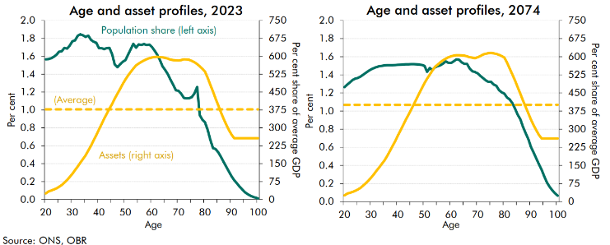

 |  | 2023 |  |  | 2074
 | Age | Population share | Assets (right axis) | Average assets | Population share | Assets (right axis) | Average assets
 | 20 | 1.6 | 25 | 378 | 1.3 | 26 | 401
 | 21 | 1.6 | 33 | 378 | 1.3 | 34 | 401
 | 22 | 1.6 | 37 | 378 | 1.3 | 37 | 401
 | 23 | 1.6 | 42 | 378 | 1.3 | 41 | 401
 | 24 | 1.6 | 46 | 378 | 1.4 | 45 | 401
 | 25 | 1.7 | 53 | 378 | 1.4 | 50 | 401
 | 26 | 1.7 | 61 | 378 | 1.4 | 58 | 401
 | 27 | 1.7 | 71 | 378 | 1.4 | 67 | 401
 | 28 | 1.7 | 82 | 378 | 1.4 | 77 | 401
 | 29 | 1.7 | 94 | 378 | 1.4 | 88 | 401
 | 30 | 1.8 | 108 | 378 | 1.5 | 100 | 401
 | 31 | 1.8 | 123 | 378 | 1.5 | 114 | 401
 | 32 | 1.8 | 138 | 378 | 1.5 | 128 | 401
 | 33 | 1.8 | 154 | 378 | 1.5 | 142 | 401
 | 34 | 1.8 | 169 | 378 | 1.5 | 157 | 401
 | 35 | 1.8 | 185 | 378 | 1.5 | 170 | 401
 | 36 | 1.8 | 205 | 378 | 1.5 | 189 | 401
 | 37 | 1.8 | 225 | 378 | 1.5 | 209 | 401
 | 38 | 1.8 | 248 | 378 | 1.5 | 230 | 401
 | 39 | 1.8 | 270 | 378 | 1.5 | 251 | 401
 | 40 | 1.7 | 293 | 378 | 1.5 | 273 | 401
 | 41 | 1.7 | 315 | 378 | 1.5 | 295 | 401
 | 42 | 1.7 | 338 | 378 | 1.5 | 318 | 401
 | 43 | 1.7 | 360 | 378 | 1.5 | 339 | 401
 | 44 | 1.7 | 381 | 378 | 1.5 | 360 | 401
 | 45 | 1.6 | 401 | 378 | 1.5 | 381 | 401
 | 46 | 1.5 | 422 | 378 | 1.5 | 403 | 401
 | 47 | 1.5 | 443 | 378 | 1.5 | 425 | 401
 | 48 | 1.5 | 463 | 378 | 1.5 | 447 | 401
 | 49 | 1.5 | 484 | 378 | 1.5 | 469 | 401
 | 50 | 1.6 | 503 | 378 | 1.5 | 491 | 401
 | 51 | 1.6 | 519 | 378 | 1.4 | 509 | 401
 | 52 | 1.7 | 534 | 378 | 1.5 | 526 | 401
 | 53 | 1.7 | 549 | 378 | 1.5 | 543 | 401
 | 54 | 1.7 | 562 | 378 | 1.5 | 559 | 401
 | 55 | 1.7 | 569 | 378 | 1.5 | 568 | 401
 | 56 | 1.7 | 576 | 378 | 1.5 | 577 | 401
 | 57 | 1.7 | 583 | 378 | 1.5 | 585 | 401
 | 58 | 1.7 | 588 | 378 | 1.5 | 592 | 401
 | 59 | 1.7 | 592 | 378 | 1.5 | 598 | 401
 | 60 | 1.7 | 595 | 378 | 1.5 | 602 | 401
 | 61 | 1.7 | 597 | 378 | 1.5 | 605 | 401
 | 62 | 1.6 | 598 | 378 | 1.6 | 606 | 401
 | 63 | 1.6 | 597 | 378 | 1.6 | 606 | 401
 | 64 | 1.5 | 595 | 378 | 1.5 | 606 | 401
 | 65 | 1.4 | 594 | 378 | 1.5 | 605 | 401
 | 66 | 1.4 | 590 | 378 | 1.5 | 602 | 401
 | 67 | 1.3 | 586 | 378 | 1.5 | 598 | 401
 | 68 | 1.3 | 584 | 378 | 1.4 | 596 | 401
 | 69 | 1.2 | 583 | 378 | 1.4 | 594 | 401
 | 70 | 1.2 | 583 | 378 | 1.4 | 598 | 401
 | 71 | 1.2 | 584 | 378 | 1.4 | 603 | 401
 | 72 | 1.1 | 587 | 378 | 1.4 | 609 | 401
 | 73 | 1.1 | 587 | 378 | 1.3 | 613 | 401
 | 74 | 1.1 | 585 | 378 | 1.3 | 615 | 401
 | 75 | 1.1 | 581 | 378 | 1.3 | 615 | 401
 | 76 | 1.2 | 575 | 378 | 1.3 | 614 | 401
 | 77 | 1.3 | 568 | 378 | 1.3 | 612 | 401
 | 78 | 0.9 | 558 | 378 | 1.2 | 608 | 401
 | 79 | 0.9 | 548 | 378 | 1.2 | 603 | 401
 | 80 | 0.9 | 536 | 378 | 1.2 | 597 | 401
 | 81 | 0.8 | 509 | 378 | 1.1 | 576 | 401
 | 82 | 0.7 | 481 | 378 | 1.1 | 551 | 401
 | 83 | 0.6 | 452 | 378 | 1.1 | 527 | 401
 | 84 | 0.6 | 423 | 378 | 1.0 | 501 | 401
 | 85 | 0.5 | 394 | 378 | 1.0 | 474 | 401
 | 86 | 0.5 | 365 | 378 | 0.9 | 447 | 401
 | 87 | 0.4 | 338 | 378 | 0.8 | 419 | 401
 | 88 | 0.4 | 313 | 378 | 0.8 | 392 | 401
 | 89 | 0.3 | 291 | 378 | 0.7 | 366 | 401
 | 90 | 0.3 | 272 | 378 | 0.6 | 340 | 401
 | 91 | 0.2 | 257 | 378 | 0.5 | 316 | 401
 | 92 | 0.2 | 257 | 378 | 0.5 | 295 | 401
 | 93 | 0.1 | 257 | 378 | 0.4 | 276 | 401
 | 94 | 0.1 | 257 | 378 | 0.4 | 262 | 401
 | 95 | 0.1 | 257 | 378 | 0.3 | 262 | 401
 | 96 | 0.1 | 257 | 378 | 0.2 | 262 | 401
 | 97 | 0.0 | 257 | 378 | 0.2 | 262 | 401
 | 98 | 0.0 | 257 | 378 | 0.1 | 262 | 401
 | 99 | 0.0 | 257 | 378 | 0.1 | 262 | 401
 | 100 | 0.0 | 257 | 378 | 0.1 | 262 | 401

C2.11
Back to contents
 | Chart 2.11: Aggregate results in 2023 and 2074 from the UK OLG model

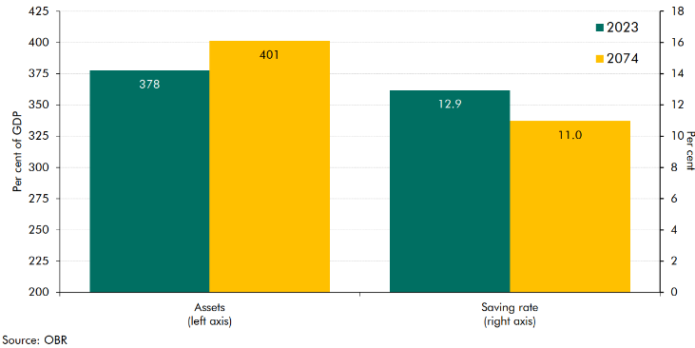

 |  | 2023 | 2074 | 2023 | 2074
 | Assets (left axis) |  |  | 377.7 | 401.2
 | Saving rate (right axis) | 12.9 | 11.0

C2.12
Back to contents
 | Chart 2.12: Membership of private sector DB pension schemes by scheme type

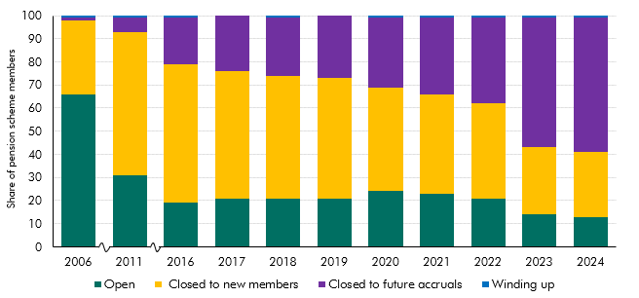

 | Source: PPF

 |  | Open | Closed to new members | Closed to future accruals | Winding up
 | 2006 | 66 | 32 | 1 | 1
 | 2011 | 31 | 62 | 6 | 1
 | 2016 | 19 | 60 | 20 | 1
 | 2017 | 21 | 55 | 24 | 0
 | 2018 | 21 | 53 | 25 | 1
 | 2019 | 21 | 52 | 27 | 0
 | 2020 | 24 | 45 | 30 | 1
 | 2021 | 23 | 43 | 33 | 1
 | 2022 | 21 | 41 | 37 | 1
 | 2023 | 14 | 29 | 56 | 1
 | 2024 | 13 | 28 | 58 | 1

C2.13
Back to contents
 | Chart 2.13: Members of funded DB schemes with a pension in payment

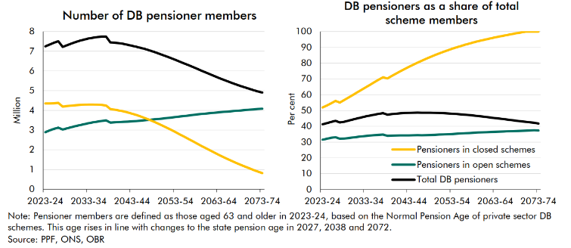

 |  | 2023-24 | 2024-25 | 2025-26 | 2026-27 | 2027-28 | 2028-29 | 2029-30 | 2030-31 | 2031-32 | 2032-33 | 2033-34 | 2034-35 | 2035-36 | 2036-37 | 2037-38 | 2038-39 | 2039-40 | 2040-41 | 2041-42 | 2042-43 | 2043-44 | 2044-45 | 2045-46 | 2046-47 | 2047-48 | 2048-49 | 2049-50 | 2050-51 | 2051-52 | 2052-53 | 2053-54 | 2054-55 | 2055-56 | 2056-57 | 2057-58 | 2058-59 | 2059-60 | 2060-61 | 2061-62 | 2062-63 | 2063-64 | 2064-65 | 2065-66 | 2066-67 | 2067-68 | 2068-69 | 2069-70 | 2070-71 | 2071-72 | 2072-73 | 2073-74
 | Open scheme pensioners | 2.9 | 3.0 | 3.1 | 3.1 | 3.0 | 3.1 | 3.1 | 3.2 | 3.3 | 3.3 | 3.4 | 3.4 | 3.4 | 3.5 | 3.5 | 3.4 | 3.4 | 3.4 | 3.4 | 3.4 | 3.4 | 3.5 | 3.5 | 3.5 | 3.5 | 3.5 | 3.6 | 3.6 | 3.6 | 3.6 | 3.7 | 3.7 | 3.7 | 3.7 | 3.8 | 3.8 | 3.8 | 3.8 | 3.9 | 3.9 | 3.9 | 3.9 | 3.9 | 4.0 | 4.0 | 4.0 | 4.0 | 4.0 | 4.0 | 4.0 | 4.0
 | Closed scheme pensioners | 4.4 | 4.4 | 4.4 | 4.4 | 4.2 | 4.2 | 4.2 | 4.3 | 4.3 | 4.3 | 4.3 | 4.3 | 4.3 | 4.3 | 4.3 | 4.1 | 4.0 | 4.0 | 3.9 | 3.9 | 3.8 | 3.8 | 3.7 | 3.6 | 3.5 | 3.4 | 3.3 | 3.2 | 3.1 | 3.0 | 2.9 | 2.8 | 2.7 | 2.5 | 2.4 | 2.3 | 2.2 | 2.1 | 2.0 | 1.9 | 1.7 | 1.6 | 1.5 | 1.4 | 1.3 | 1.2 | 1.2 | 1.1 | 1.0 | 0.9 | 0.8
 | Total DB pensioners | 7.2 | 7.3 | 7.4 | 7.5 | 7.2 | 7.3 | 7.4 | 7.5 | 7.5 | 7.6 | 7.6 | 7.7 | 7.7 | 7.7 | 7.7 | 7.4 | 7.4 | 7.4 | 7.4 | 7.3 | 7.3 | 7.2 | 7.2 | 7.1 | 7.0 | 7.0 | 6.9 | 6.8 | 6.7 | 6.6 | 6.6 | 6.5 | 6.4 | 6.3 | 6.2 | 6.1 | 6.0 | 5.9 | 5.8 | 5.7 | 5.6 | 5.6 | 5.5 | 5.4 | 5.3 | 5.2 | 5.2 | 5.1 | 5.0 | 4.9 | 4.8

 |  | 2023-24 | 2024-25 | 2025-26 | 2026-27 | 2027-28 | 2028-29 | 2029-30 | 2030-31 | 2031-32 | 2032-33 | 2033-34 | 2034-35 | 2035-36 | 2036-37 | 2037-38 | 2038-39 | 2039-40 | 2040-41 | 2041-42 | 2042-43 | 2043-44 | 2044-45 | 2045-46 | 2046-47 | 2047-48 | 2048-49 | 2049-50 | 2050-51 | 2051-52 | 2052-53 | 2053-54 | 2054-55 | 2055-56 | 2056-57 | 2057-58 | 2058-59 | 2059-60 | 2060-61 | 2061-62 | 2062-63 | 2063-64 | 2064-65 | 2065-66 | 2066-67 | 2067-68 | 2068-69 | 2069-70 | 2070-71 | 2071-72 | 2072-73 | 2073-74
 | Pensioners in open schemes | 31.5 | 32.2 | 32.7 | 33.1 | 32.1 | 32.2 | 32.6 | 32.9 | 33.3 | 33.6 | 33.9 | 34.1 | 34.4 | 34.6 | 34.8 | 34.0 | 34.1 | 34.2 | 34.2 | 34.2 | 34.2 | 34.3 | 34.4 | 34.3 | 34.4 | 34.5 | 34.6 | 34.7 | 34.9 | 35.0 | 35.2 | 35.3 | 35.5 | 35.6 | 35.8 | 35.9 | 36.0 | 36.2 | 36.3 | 36.4 | 36.5 | 36.6 | 36.7 | 36.8 | 36.9 | 37.0 | 37.2 | 37.3 | 37.4 | 36.9 | 36.8
 | Pensioners in closed schemes | 52.0 | 53.2 | 54.6 | 56.1 | 55.0 | 56.6 | 58.2 | 59.8 | 61.5 | 63.1 | 64.7 | 66.4 | 68.0 | 69.6 | 71.1 | 70.3 | 71.8 | 73.4 | 74.8 | 76.3 | 77.7 | 79.0 | 80.3 | 81.6 | 82.8 | 84.0 | 85.1 | 86.2 | 87.2 | 88.2 | 89.1 | 90.0 | 90.9 | 91.7 | 92.4 | 93.2 | 93.9 | 94.5 | 95.2 | 95.8 | 96.4 | 96.9 | 97.5 | 98.0 | 98.5 | 99.0 | 99.5 | 100.0 | 100.0 | 100.0 | 100.0
 | Total DB pensioners | 41.3 | 42.0 | 42.8 | 43.5 | 42.4 | 42.9 | 43.6 | 44.3 | 45.0 | 45.6 | 46.3 | 46.8 | 47.4 | 47.9 | 48.3 | 47.3 | 47.7 | 48.0 | 48.2 | 48.4 | 48.5 | 48.6 | 48.7 | 48.6 | 48.6 | 48.6 | 48.5 | 48.4 | 48.3 | 48.2 | 48.0 | 47.8 | 47.6 | 47.3 | 47.1 | 46.8 | 46.5 | 46.2 | 45.9 | 45.5 | 45.2 | 44.9 | 44.5 | 44.2 | 43.8 | 43.5 | 43.2 | 42.9 | 42.5 | 42.2 | 41.7

C2.14
Back to contents
 | Chart 2.14: Projection for defined benefit sector gilt holdings

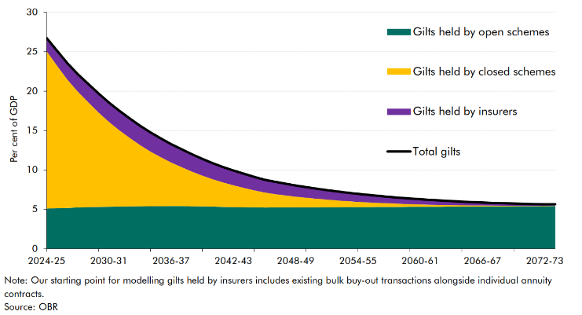

 |  | 2024-25 | 2025-26 | 2026-27 | 2027-28 | 2028-29 | 2029-30 | 2030-31 | 2031-32 | 2032-33 | 2033-34 | 2034-35 | 2035-36 | 2036-37 | 2037-38 | 2038-39 | 2039-40 | 2040-41 | 2041-42 | 2042-43 | 2043-44 | 2044-45 | 2045-46 | 2046-47 | 2047-48 | 2048-49 | 2049-50 | 2050-51 | 2051-52 | 2052-53 | 2053-54 | 2054-55 | 2055-56 | 2056-57 | 2057-58 | 2058-59 | 2059-60 | 2060-61 | 2061-62 | 2062-63 | 2063-64 | 2064-65 | 2065-66 | 2066-67 | 2067-68 | 2068-69 | 2069-70 | 2070-71 | 2071-72 | 2072-73 | 2073-74
 | Gilts held by open schemes | 5.1 | 5.1 | 5.2 | 5.2 | 5.3 | 5.3 | 5.3 | 5.3 | 5.4 | 5.4 | 5.4 | 5.4 | 5.4 | 5.4 | 5.4 | 5.4 | 5.3 | 5.3 | 5.3 | 5.3 | 5.2 | 5.2 | 5.2 | 5.2 | 5.2 | 5.2 | 5.3 | 5.3 | 5.3 | 5.3 | 5.3 | 5.3 | 5.3 | 5.3 | 5.3 | 5.3 | 5.3 | 5.3 | 5.3 | 5.3 | 5.3 | 5.3 | 5.3 | 5.4 | 5.4 | 5.4 | 5.4 | 5.4 | 5.4 | 5.4
 | Gilts held by closed schemes | 20.0 | 18.3 | 16.5 | 14.8 | 13.2 | 11.7 | 10.3 | 9.1 | 8.0 | 7.0 | 6.2 | 5.6 | 5.0 | 4.4 | 3.9 | 3.5 | 3.1 | 2.8 | 2.5 | 2.2 | 1.9 | 1.7 | 1.5 | 1.4 | 1.2 | 1.1 | 1.0 | 0.9 | 0.8 | 0.7 | 0.6 | 0.5 | 0.5 | 0.4 | 0.4 | 0.3 | 0.3 | 0.2 | 0.2 | 0.2 | 0.2 | 0.1 | 0.1 | 0.1 | 0.1 | 0.1 | 0.1 | 0.0 | 0.0 | 0.0
 | Gilts held by insurers | 1.7 | 1.9 | 2.0 | 2.2 | 2.4 | 2.5 | 2.6 | 2.7 | 2.7 | 2.7 | 2.7 | 2.6 | 2.5 | 2.4 | 2.4 | 2.3 | 2.2 | 2.1 | 2.0 | 1.9 | 1.8 | 1.7 | 1.6 | 1.5 | 1.5 | 1.4 | 1.3 | 1.2 | 1.2 | 1.1 | 1.0 | 1.0 | 0.9 | 0.8 | 0.8 | 0.7 | 0.7 | 0.6 | 0.6 | 0.5 | 0.5 | 0.4 | 0.4 | 0.4 | 0.3 | 0.3 | 0.3 | 0.2 | 0.2 | 0.2
 | Total gilts | 26.7 | 25.3 | 23.7 | 22.2 | 20.9 | 19.5 | 18.2 | 17.1 | 16.1 | 15.1 | 14.3 | 13.5 | 12.9 | 12.3 | 11.7 | 11.1 | 10.6 | 10.1 | 9.7 | 9.3 | 9.0 | 8.6 | 8.4 | 8.1 | 7.9 | 7.7 | 7.5 | 7.4 | 7.2 | 7.0 | 6.9 | 6.8 | 6.7 | 6.5 | 6.4 | 6.3 | 6.2 | 6.2 | 6.1 | 6.0 | 6.0 | 5.9 | 5.8 | 5.8 | 5.8 | 5.7 | 5.7 | 5.7 | 5.6 | 5.6

C2.15
Back to contents
 | Chart 2.15: Projection for pension scheme gilt holdings

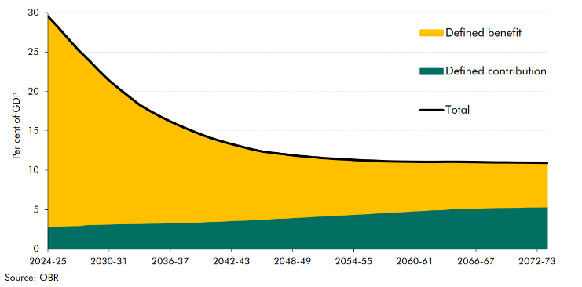

 |  | 2024-25 | 2025-26 | 2026-27 | 2027-28 | 2028-29 | 2029-30 | 2030-31 | 2031-32 | 2032-33 | 2033-34 | 2034-35 | 2035-36 | 2036-37 | 2037-38 | 2038-39 | 2039-40 | 2040-41 | 2041-42 | 2042-43 | 2043-44 | 2044-45 | 2045-46 | 2046-47 | 2047-48 | 2048-49 | 2049-50 | 2050-51 | 2051-52 | 2052-53 | 2053-54 | 2054-55 | 2055-56 | 2056-57 | 2057-58 | 2058-59 | 2059-60 | 2060-61 | 2061-62 | 2062-63 | 2063-64 | 2064-65 | 2065-66 | 2066-67 | 2067-68 | 2068-69 | 2069-70 | 2070-71 | 2071-72 | 2072-73 | 2073-74
 | Defined contribution | 2.8 | 2.9 | 2.9 | 3.0 | 3.1 | 3.1 | 3.2 | 3.2 | 3.2 | 3.2 | 3.3 | 3.3 | 3.3 | 3.4 | 3.4 | 3.4 | 3.5 | 3.5 | 3.6 | 3.6 | 3.7 | 3.8 | 3.8 | 3.9 | 4.0 | 4.0 | 4.1 | 4.2 | 4.3 | 4.3 | 4.4 | 4.5 | 4.5 | 4.6 | 4.7 | 4.8 | 4.8 | 4.9 | 5.0 | 5.0 | 5.1 | 5.1 | 5.2 | 5.2 | 5.2 | 5.3 | 5.3 | 5.3 | 5.3 | 5.3
 | Defined benefit | 26.7 | 25.3 | 23.7 | 22.2 | 20.9 | 19.5 | 18.2 | 17.1 | 16.1 | 15.1 | 14.3 | 13.5 | 12.9 | 12.3 | 11.7 | 11.1 | 10.6 | 10.1 | 9.7 | 9.3 | 9.0 | 8.6 | 8.4 | 8.1 | 7.9 | 7.7 | 7.5 | 7.4 | 7.2 | 7.0 | 6.9 | 6.8 | 6.7 | 6.5 | 6.4 | 6.3 | 6.2 | 6.2 | 6.1 | 6.0 | 6.0 | 5.9 | 5.8 | 5.8 | 5.8 | 5.7 | 5.7 | 5.7 | 5.6 | 5.6
 | Total | 29.5 | 28.2 | 26.7 | 25.2 | 24.0 | 22.6 | 21.4 | 20.3 | 19.3 | 18.3 | 17.5 | 16.8 | 16.2 | 15.6 | 15.1 | 14.5 | 14.1 | 13.7 | 13.3 | 13.0 | 12.7 | 12.4 | 12.2 | 12.1 | 11.9 | 11.8 | 11.7 | 11.6 | 11.5 | 11.4 | 11.3 | 11.2 | 11.2 | 11.2 | 11.1 | 11.1 | 11.1 | 11.1 | 11.1 | 11.1 | 11.1 | 11.1 | 11.0 | 11.0 | 11.0 | 11.0 | 11.0 | 11.0 | 10.9 | 10.9

C2.16
Back to contents
 | Chart 2.16: Alternative scenarios for pension scheme gilt holdings

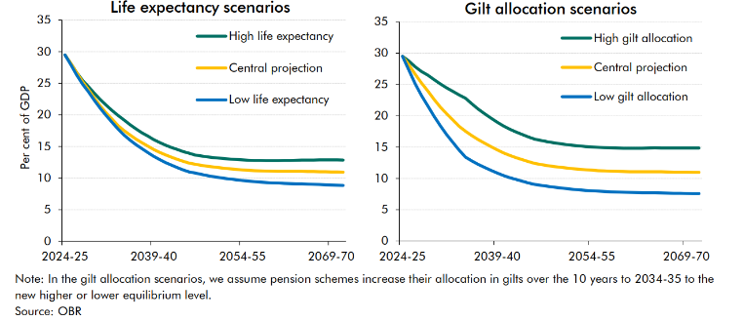

 |  | 2024-25 | 2025-26 | 2026-27 | 2027-28 | 2028-29 | 2029-30 | 2030-31 | 2031-32 | 2032-33 | 2033-34 | 2034-35 | 2035-36 | 2036-37 | 2037-38 | 2038-39 | 2039-40 | 2040-41 | 2041-42 | 2042-43 | 2043-44 | 2044-45 | 2045-46 | 2046-47 | 2047-48 | 2048-49 | 2049-50 | 2050-51 | 2051-52 | 2052-53 | 2053-54 | 2054-55 | 2055-56 | 2056-57 | 2057-58 | 2058-59 | 2059-60 | 2060-61 | 2061-62 | 2062-63 | 2063-64 | 2064-65 | 2065-66 | 2066-67 | 2067-68 | 2068-69 | 2069-70 | 2070-71 | 2071-72 | 2072-73 | 2023-74
 | High life expectancy | 29.5 | 28.1 | 26.7 | 25.4 | 24.4 | 23.4 | 22.4 | 21.5 | 20.7 | 19.9 | 19.2 | 18.5 | 17.8 | 17.2 | 16.7 | 16.1 | 15.6 | 15.2 | 14.9 | 14.5 | 14.2 | 13.9 | 13.6 | 13.5 | 13.4 | 13.3 | 13.2 | 13.1 | 13.0 | 12.9 | 12.9 | 12.8 | 12.8 | 12.8 | 12.8 | 12.8 | 12.8 | 12.8 | 12.8 | 12.8 | 12.9 | 12.9 | 12.9 | 12.9 | 12.9 | 12.9 | 12.9 | 12.9 | 12.8 | 12.8
 | Central projection | 29.5 | 28.2 | 26.7 | 25.2 | 24.0 | 22.6 | 21.4 | 20.3 | 19.3 | 18.3 | 17.5 | 16.8 | 16.2 | 15.6 | 15.1 | 14.5 | 14.1 | 13.7 | 13.3 | 13.0 | 12.7 | 12.4 | 12.2 | 12.1 | 11.9 | 11.8 | 11.7 | 11.6 | 11.5 | 11.4 | 11.3 | 11.2 | 11.2 | 11.2 | 11.1 | 11.1 | 11.1 | 11.1 | 11.1 | 11.1 | 11.1 | 11.1 | 11.0 | 11.0 | 11.0 | 11.0 | 11.0 | 11.0 | 10.9 | 10.9
 | Low life expectancy | 29.5 | 27.9 | 26.3 | 24.8 | 23.6 | 22.3 | 21.0 | 19.9 | 18.8 | 17.7 | 16.8 | 16.0 | 15.3 | 14.7 | 14.1 | 13.5 | 12.9 | 12.5 | 12.1 | 11.7 | 11.3 | 11.0 | 10.8 | 10.6 | 10.4 | 10.3 | 10.1 | 10.0 | 9.8 | 9.7 | 9.6 | 9.5 | 9.4 | 9.4 | 9.3 | 9.3 | 9.2 | 9.2 | 9.1 | 9.1 | 9.1 | 9.1 | 9.0 | 9.0 | 9.0 | 8.9 | 8.9 | 8.8 | 8.9 | 8.9
 | High gilt allocation | 29.5 | 28.7 | 27.8 | 27.1 | 26.5 | 25.8 | 25.1 | 24.5 | 23.9 | 23.3 | 22.8 | 21.9 | 21.1 | 20.3 | 19.6 | 19.0 | 18.4 | 17.9 | 17.4 | 17.0 | 16.6 | 16.3 | 16.0 | 15.9 | 15.7 | 15.5 | 15.4 | 15.3 | 15.2 | 15.1 | 15.0 | 15.0 | 14.9 | 14.9 | 14.8 | 14.8 | 14.8 | 14.8 | 14.8 | 14.8 | 14.9 | 14.9 | 14.9 | 14.8 | 14.8 | 14.8 | 14.8 | 14.8 | 14.8 | 14.8
 | Central projection | 29.5 | 28.2 | 26.7 | 25.2 | 24.0 | 22.6 | 21.4 | 20.3 | 19.3 | 18.3 | 17.5 | 16.8 | 16.2 | 15.6 | 15.1 | 14.5 | 14.1 | 13.7 | 13.3 | 13.0 | 12.7 | 12.4 | 12.2 | 12.1 | 11.9 | 11.8 | 11.7 | 11.6 | 11.5 | 11.4 | 11.3 | 11.2 | 11.2 | 11.2 | 11.1 | 11.1 | 11.1 | 11.1 | 11.1 | 11.1 | 11.1 | 11.1 | 11.0 | 11.0 | 11.0 | 11.0 | 11.0 | 11.0 | 10.9 | 10.9
 | Low gilt allocation | 29.5 | 27.3 | 25.2 | 23.2 | 21.6 | 19.9 | 18.4 | 17.0 | 15.7 | 14.5 | 13.4 | 12.8 | 12.2 | 11.8 | 11.3 | 10.9 | 10.5 | 10.1 | 9.8 | 9.5 | 9.3 | 9.0 | 8.9 | 8.7 | 8.6 | 8.5 | 8.4 | 8.3 | 8.2 | 8.1 | 8.0 | 8.0 | 7.9 | 7.9 | 7.8 | 7.8 | 7.8 | 7.7 | 7.7 | 7.7 | 7.7 | 7.7 | 7.7 | 7.6 | 7.6 | 7.6 | 7.6 | 7.6 | 7.5 | 7.5

C2.17
Back to contents
 | Chart 2.17: Skew of gilt issuance since 2009-10

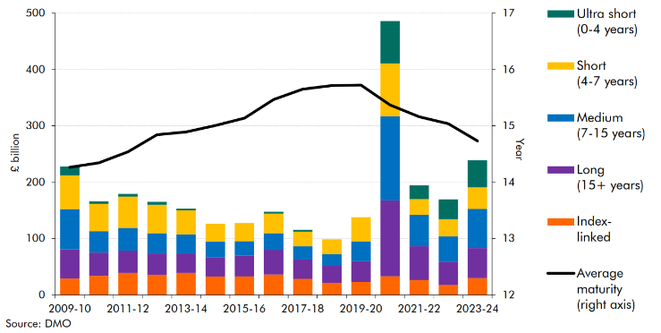

 |  | 2009-10 | 2010-11 | 2011-12 | 2012-13 | 2013-14 | 2014-15 | 2015-16 | 2016-17 | 2017-18 | 2018-19 | 2019-20 | 2020-21 | 2021-22 | 2022-23 | 2023-24
 | Ultra short (0-4 years) | 15.7 | 4.8 | 5.1 | 5.0 | 3.5 | 0.0 | 0.0 | 3.1 | 3.1 | 0.0 | 0.0 | 75.0 | 24.7 | 35.1 | 48.4
 | Short (4-7 years) | 59.7 | 48.3 | 55.5 | 50.8 | 42.6 | 31.9 | 32.6 | 35.3 | 26.2 | 26.2 | 43.0 | 93.7 | 28.0 | 30.2 | 38.3
 | Medium (7-15 years) | 71.3 | 38.1 | 40.1 | 36.0 | 34.0 | 28.2 | 25.0 | 29.5 | 23.8 | 21.2 | 35.2 | 149.5 | 55.2 | 45.4 | 69.2
 | Long (15+ years) | 51.6 | 41.1 | 39.7 | 37.5 | 34.3 | 34.1 | 37.2 | 43.6 | 34.0 | 29.9 | 36.6 | 134.2 | 60.4 | 41.1 | 53.5
 | Index-linked | 29.3 | 34.0 | 39.0 | 35.9 | 39.0 | 32.3 | 32.8 | 36.2 | 28.5 | 21.4 | 23.1 | 33.4 | 26.3 | 17.7 | 29.7
 | Average maturity (right axis) | 14.3 | 14.3 | 14.5 | 14.8 | 14.9 | 15.0 | 15.1 | 15.5 | 15.6 | 15.7 | 15.7 | 15.4 | 15.2 | 15.0 | 14.7

C2.18
Back to contents
 | Chart 2.18: G7 conventional gilt issuance by maturity

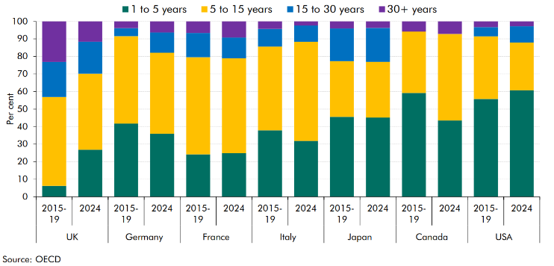

 |  |  | 1 to 5 years | 5 to 15 years | 15 to 30 years | 30+ years
 | UK | 2015-19 | 6.2 | 50.7 | 19.9 | 23.2
 |  | 2024 | 26.8 | 43.4 | 18.1 | 11.7
 | Germany | 2015-19 | 41.7 | 49.8 | 4.6 | 3.9
 |  | 2024 | 35.9 | 46.2 | 11.6 | 6.3
 | France | 2015-19 | 24.2 | 55.3 | 13.8 | 6.6
 |  | 2024 | 24.8 | 54.1 | 11.9 | 9.2
 | Italy | 2015-19 | 37.9 | 47.6 | 10.1 | 4.3
 |  | 2024 | 31.8 | 56.4 | 9.3 | 2.4
 | Japan | 2015-19 | 45.6 | 31.7 | 18.6 | 4.1
 |  | 2024 | 45.1 | 31.7 | 19.4 | 3.8
 | Canada | 2015-19 | 59.2 | 35.0 | 0.0 | 5.9
 |  | 2024 | 43.6 | 49.2 | 0.0 | 7.2
 | USA | 2015-19 | 55.7 | 35.7 | 5.2 | 3.3
 |  | 2024 | 60.7 | 27.2 | 9.3 | 2.8

